Command guide
ESC/VP21 Command
User’s Guide

Table of contents
1 | Introduction of ESC/VP21
2 | ESC/VP21 Command Formats
3 | Projector state and commands
4 | Command transmission timing
5 | Error status
6 | Applicable model
7 | Appendix
8 | Revision history

Copyright Notice: All rights reserved. No part of this publication may be reproduced, stored in a retrieval system, or transmitted in any form or by any means, electronic, mechanical, photocopying, or otherwise, without the prior written permission of SEIKO EPSON CORPORATION. No patent liability is assumed with respect to the use of the information contained herein. Neither is any liability assumed for damages resulting from the use of the information contained herein. Neither SEIKO EPSON CORPORATION nor its affiliates shall be liable to the purchase of this product or third parties for damages, losses, costs, or expenses incurred by purchaser or third parties as a result of: accident, misuse, or abuse of this product or unauthorized modifications, repairs, or alterations to this product, or (excluding the U.S.) failure to strictly comply with SEIKO EPSON CORPORATION(s operating and maintenance instructions. SEIKO EPSON CORPORATION shall not be liable against any damages or problems arising from the use of any options or any consumable products other than those designated as Original EPSON Products or EPSON Approved Products by SEKO EPSON CORPORATION. EPSON is a registered trademark of SEIKO EPSON CORPORATION. EasyMP is a trademark of SEIKO EPSON CORPORATION. Macintosh, Mac, and iMac are registered trademarks of Apple Computer, Inc. IBM is a registered trademark of International Business Machines Corporation. Windows and Windows NT are registered trademarks of Microsoft Corporation in the United States of America. General Notice: Other product names used herein are also for identification purposes only and may be trademarks of their respective owner. EPSON disclaims any and all rights in those marks.

©SEIKO EPSON CORPORTION 2003-2012. All rights reserved.

1. Introduction of ESC/VP21
ESC/VP21 is a control command and protocol for Epson projectors, which is used for A/V controller to control and monitor Epson projectors. The command codes are comprised of ASCII codes. Therefore the command codes can be understood very easily and you can easily control projectors using a PC with a terminal emulator such as Microsoft Hyper terminal.
Since ESC/VP21 is independent of communication protocols. Serial, USB or TCP/IP network can be used to transmit the commands to projectors.

* Serial connection

A/V controller normally use as serial connection to control projectors. Refer to Appendix for details.

* USB connection

A USB interface can be used to control a projector. Refer to Appendix for details.
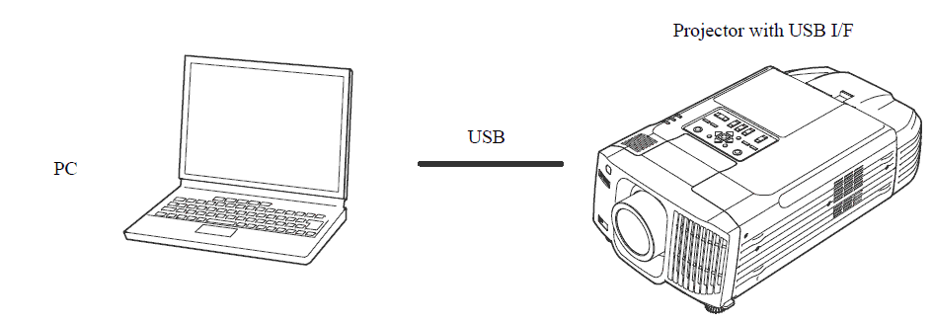

* Network connection

After establishing a TCP session, ESC/VP21 commands can be sent to projectors. Refer to ESC/VP.net protocol manual

2. ESC/VP21 Command Formats

2.1. Set command format
A set command consists of a command and a parameter. Projector returns a colon after executing the command. There are two types of parameters. One is fixed such as ON, OFF, or 21. Other is a step parameter such as INC, DEC or INIT. INC: increments the parameter by one. DEC: decrements the parameter by one. INIT: initializes the parameter.

2.2. Get command format
A get command consists of a command and ?. Projector returns a response parameter after executing the command.

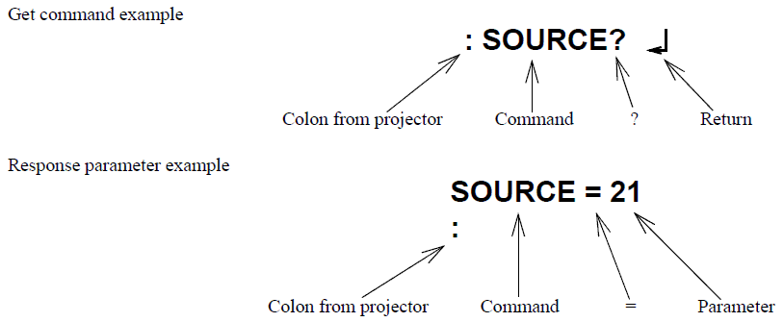

2.3. Null command
The null command is as command code of the return key code (Hex 0D). Projector returns a colon. The null command can be used to confirm that the projector is in operation.

2.4. Illegal commands
Projector returns “ERR” and a return key code (Hex 0D) and a colon when it receives invalid commands.

ERR
：

3. Projector state and commands
3.1. Standby state (Operation indicator is in orange)
When a projector is in a standby state, executable commands depends on projector models and standby configuration (network on, network off). Refer to the following table.

Models |  | Configuration |  | Excutable commands
G5350/G5100/G5200W Z8000WU/Z8050W 450WT, 460/460T G5750WU/G5450WU/X400WU G5650W/G5950/G5550 Z9750WU/Z8455WU/Z8450WU/B1575WU Z9850W/Z9805W/Z8355W/Z8350W/B1585W and other model which have Network On/Off function. |  | Network ON/OFF |  | PWR ON PWR? LAMP?

3.2. Power on state (Operation indicator is in green)
All commands are executable.

4. Command transmission timing

4.1. Standby state

1). For all mode with the standby configuration of “network on”
The first command can be sent anytime and the subsequent commands should be sent after receiving a colon from the projector.

2). Other than 1)
PWR ON can be sent any time.

4.2. Power on state
A command should be sent after receiving the colon of the previous command from the projector. The following is an exception. When the PWR OFF command is sent to 7800/7850/8300/9300 with the standby configuration of “network off”, the subsequent command should be sent 10 seconds after the colon is received. In case that you can not wait for the colon and send a command after receiving it, instead send a command after the execution time listed in the following table.

 | Command | Excution time
 | PWR ON | 40 seconds (*1)
 | PWR OFF (*4) | 10 seconds
 | SOURCE (*3) | 5 seconds (*2)
 | All others | 3 seconds

(*1) When a projector receives the PWR ON command, it tries to ignite the lamp by activating the ballast unit. In case that the lamp fails to be ignited, it tries to ignite the lamp three times at maximum. When the lamp fails to be ignited three times, it is a lamp failure. The projector returns a colon within 40, 70 and 100 seconds when successful in the first, second and third times respectively.
(*2) When the input vide sync signal is stable, a colon is returned within 5 seconds. However, it may take more than 5 seconds when the input video sync signal is unstable.

(*3) Projector initiates the process of the input video signal recognition when it receives a SOURCE command. If the signal of the video input is changing (for example, from SVGA to XGA by A/V controller) during the process of the input video signal recognition, the projector returns “ERR”.

(*4) Projectors execute the PWR OFF command after they start completely.

(*5) Projectors might return “ERR” when “Quick Setup” and “Auto Focus” functions are set to ON.

4.3. Warning and abnormal cases
Projector executes commands normally while a warning indicator such as a high temperature warning is on. Projector does not execute commands nor return a colon when the projector is in an abnormal state such as a lamp failure and abnormal high temperature.
When an abnormal state is continued for 130 seconds after, PWR ON command becomes possible.

5. Error Status

A projector returns the error status when a projector receives "ERR?" command.
The following table shows the return codes and the meaning of error status.
Command | Return code
ERR? | 00 ：There is no error or the error is recovered
 | 01 ：Fan error
 | 03 ：Lamp failure at power on
 | 04 ：High internal temperature error
 | 06 ：Lamp error
 | 07 ：Open Lamp cover door error
 | 08 ：Cinema filter error
 | 09 ：Electric dual-layered capacitor is disconnected
 | 0A ：Auto iris error
 | 0B ：Subsystem Error
 | 0C ：Low air flow error
 | 0D ：Air filter air flow sensor error
 | 0E ：Power supply unit error (Ballast)
 | 0F ：Shutter error
 | 10 ：Cooling system error (peltiert element)
 | 11 ：Cooling system error (Pump)
 | 12 ：Static iris error
 | 13 ：Power supply unit error (Disagreement of Ballast)
 | 14 ：Exhaust shutter error
 | 15 ：Obstacle detection error
 | 16 ：IF board discernment error

6. Applicable model

Please refer to the "Product list".

7. Appendix
7.1. Communication specification
A projector and a computer can be connected using a serial or USB port. The projector can be remotely controlled by sending commands to the projector.

Serial connection: G5350/G5100/G5200W, Z8000WU/Z8050W,G5650W/G5950/G5600/G5750WU, 455WT/465T,900/915W/925，430/435W，480/485W/480T/485WT，1880，Z8150/Z10000/Z1005/Z8350W/Z8355 /Z8450WU/Z8455WU

Select RS-232C at Advanced Setting of the Menu.
Communication condition
Baud rate |  | : 9600bps
Data length |  | : 8 bits
Parity |  | : No
Stop bit |  | : 1 bit
Flow control |  | : No
Connector |  | : D-Sub 9pin
Projector input |  | : Control(RS-232C)

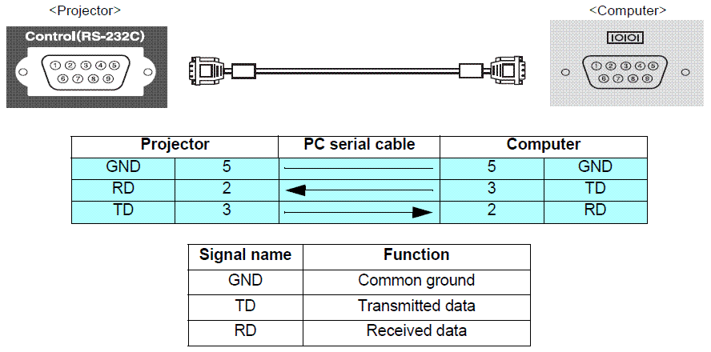

USB connection (W10/X10/S10/W9/X9/S9/, 1760W/1770W/1775W/1750、S02/S12/X12/W12/X14

・ For 1735W/1730W/1725/1720, S6/X6/W6, S7/X7/W7, S8/X8/W8, S9/X9/W9, S10/X10/W10 and 1760W/EB-1770W/1775W/750 select Wireless Mouse and select Link 21L at Extended Setting of the Menu.

・ EPSON USB COM Driver has to be installed in your computer to use USB for communication. A COM port is added to your computer, when the projector and your computer is connected by a USB cable. The added COM is listed at PORT (COM/LPT) in the device manager tab of System in Control Panel as EPSON COM Emulation port (COMn).

 | USB COM Driver file name | Models
 | EMPUSB2Setup.exe | 1735W/1730W/1725/1720/S7/X7/W7/S8/X8/W8, W10/10/S10/W9/X9/ S9/X92/S92/EX7200/1260/W10+/ EX5200/1220/X10+/EX3200/S10+/ S9/VS200, 1760W/1770W/1775W/1750, D283/D293/D6150/D6155W/D6250, 1860/1870/1880/1840W/1850W, W01/S02/X02/W02/S11/X11/S12/X12/W12/X14, 420/425W/435W430

 |  |  |  |  | f

８. Revision History
Revision | Issued date | Page | Description
A | 2012-05-30 | All page | New release as new format
B | 2012-08-31 | EB-19xx EB-17xx EB-Z EB-G | Added "Split screen" command
 |  | EB-Z | Added "Edge blending" command
C | 2013-05-02 | EB-G6xxx EB-4xxx UST(Business) Entry (3D) | Added new model

Product list
Applicable model list of ESC/VP21 command

Current model
Previous model

How to send command
How to send "ESC/VP21 command" to projector

:
:
:PWR ON | Turn on the projector
Min. 4sec
Min. 4sec
: | After processing ESC/VP21 command, ":" is replied.
:PWR? | Confirm the status of projector
:PWR=03 | Projector replied "Return code" with ":".
:
:
:SOURCE 11 | Change the source to Computer (Analog)
Min. 4sec
:
:
:LAMP? | Confirm the lamp operation time
Min. 4sec
:LAMP=1234 | Projector replied lamp operation time with ":"
:
:
:PWR OFF | Turn off the projector
:

